Notes
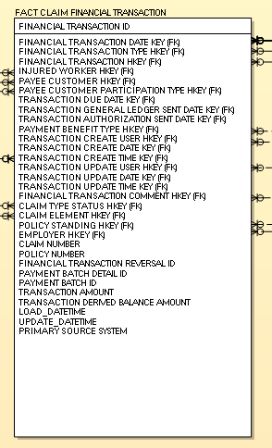
1. Trim all Text fields | Screenshot as of 3/22/23

